Sheet1
4 runs on each map
Map | 1 | 2 | 3 | 4 | 5 | 6 | 7 | 8 | 9 | 10 | 11 | 13 | 14 | 15 | 16 | 17 | 18 | 19 | 20 | 21 | 22 | 23 | 24 | 25 as standard | 25 as oposite
Complex Tactic | 0 | 0 | 0 | 4 | 0 | 4 | 0 | 0 | 4 | 0 | 4 | 4 | 4 | 4 | 4 | 0 | 0 | 0 | 0 | 0 | 4 | 4 | 0 | 4
Best Target | 4 | 4 | 4 | 0 | 4 | 0 | 4 | 4 | 0 | 4 | 0 | 0 | 0 | 0 | 0 | 4 | 4 | 4 | 4 | 4 | 0 | 0 | 4 | 0
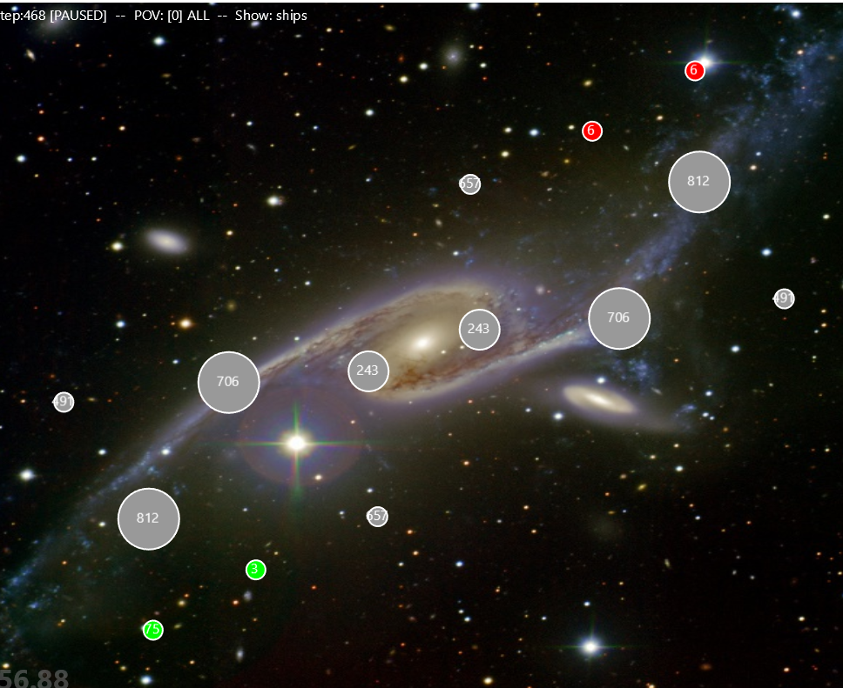
 |  |  |  |  |  |  |  |  |  |  | as | as |  |  |  |  |  |  |  | as | as | as | as | as
 |  |  |  |  |  |  |  |  |  |  |  |  |  |  |  |  |  |  |  |  |  |  |  | complex started with larger planet
 |  |  |  |  |  |  |  |  |  |  |  |  |  |  |  |  |  |  |  |  |  |  |  | best started with larger fleet by 1/8

map 12
x
x

